Sheet1
ALPACA Bias v2.0 rev2 Test Plan

Component | Part Number | Address | Datasheet
I2C repeater | LTC4302-1 | 00 | https://www.analog.com/media/en/technical-documentation/data-sheets/4302fs.pdf
IO Expander | PCF8575 | Hex R41, W40 | https://www.ti.com/lit/ds/symlink/pcf8575.pdf?HQS=dis-mous-null-mousermode-dsf-pf-null-wwe&ts=1679240734910&ref_url=https%253A%252F%252Fwww.mouser.com%252F
Current Sense Chip 1 | INA219BIDR | 1001000 | https://www.ti.com/lit/ds/symlink/ina219.pdf?HQS=dis-mous-null-mousermode-dsf-pf-null-wwe&ts=1682446555379&ref_url=https%253A%252F%252Fbr.mouser.com%252F
Current Sense Chip 2 | INA219BIDR | 1001001 | https://www.ti.com/lit/ds/symlink/ina219.pdf?HQS=dis-mous-null-mousermode-dsf-pf-null-wwe&ts=1682446555379&ref_url=https%253A%252F%252Fbr.mouser.com%252F
Current Sense Chip 3 | INA219BIDR | 1001010 | https://www.ti.com/lit/ds/symlink/ina219.pdf?HQS=dis-mous-null-mousermode-dsf-pf-null-wwe&ts=1682446555379&ref_url=https%253A%252F%252Fbr.mouser.com%252F
Current Sense Chip 4 | INA219BIDR | 1001011 | https://www.ti.com/lit/ds/symlink/ina219.pdf?HQS=dis-mous-null-mousermode-dsf-pf-null-wwe&ts=1682446555379&ref_url=https%253A%252F%252Fbr.mouser.com%252F
Current Sense Chip 5 | INA219BIDR | 1001100 | https://www.ti.com/lit/ds/symlink/ina219.pdf?HQS=dis-mous-null-mousermode-dsf-pf-null-wwe&ts=1682446555379&ref_url=https%253A%252F%252Fbr.mouser.com%252F
Current Sense Chip 6 | INA219BIDR | 1001101 | https://www.ti.com/lit/ds/symlink/ina219.pdf?HQS=dis-mous-null-mousermode-dsf-pf-null-wwe&ts=1682446555379&ref_url=https%253A%252F%252Fbr.mouser.com%252F
Current Sense Chip 7 | INA219BIDR | 1001110 | https://www.ti.com/lit/ds/symlink/ina219.pdf?HQS=dis-mous-null-mousermode-dsf-pf-null-wwe&ts=1682446555379&ref_url=https%253A%252F%252Fbr.mouser.com%252F
Current Sense Chip 8 | INA219BIDR | 1001111 | https://www.ti.com/lit/ds/symlink/ina219.pdf?HQS=dis-mous-null-mousermode-dsf-pf-null-wwe&ts=1682446555379&ref_url=https%253A%252F%252Fbr.mouser.com%252F
Digital Pot 1 | AD5144 | 0101111 | https://www.analog.com/media/en/technical-documentation/data-sheets/AD5124_5144_5144A.pdf
Digital Pot 2 | AD5144 | 0100011 | https://www.analog.com/media/en/technical-documentation/data-sheets/AD5124_5144_5144A.pdf

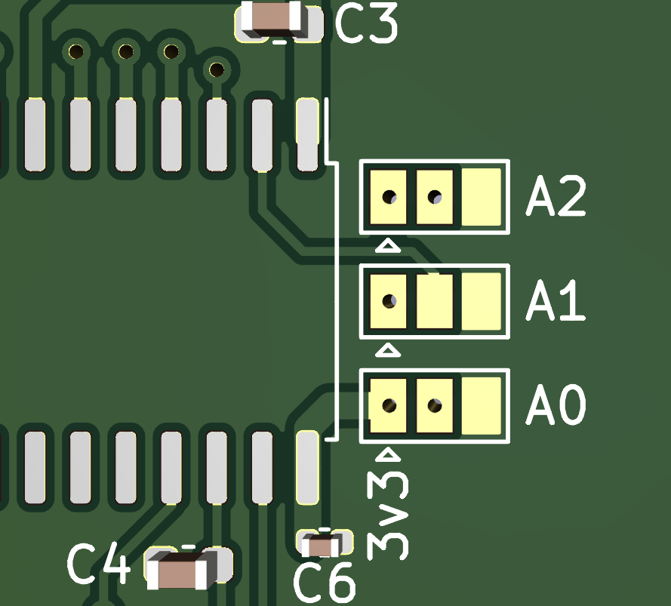
Step Number
 | Hardware Setup
1 | 5V to J1, C32
2 | +12V to J1, C31
3 | -12V to J1, A31
4 | Install POT Address jumper to J3 (Center to GND on both = address 00)
5 | Connect a multimeter probe to TP26 and GND. Adjust RV10 until TP26 measures 0.050 to 0.052V to address the I2C repeater to the address above.
6 | Ensure the solder jumpers labeled “A1”, “A2”, “A3” are soldered from the center pad to the pad on the right. See the image on the right.
7 | Install a jumper wire from V1 Vout to V1 S+
8 | Install a small value through hole resistor (smallest you can find… 1 ohm or even less) between V1 S+ and V1 S-.
9 | Connect a “LOAD” resistor (100 Ohm) between V1 S- and any GND.
10 | Connect a Volt meter across the LOAD resistor in order to read / calculate the load current.
 | Begin Software Control
11 | Command I2C repeater (LTC4302-1) to connect the I2C bus to begin transmission to all I2C components on board.
12 | IO Expander (PCF8575) configured all IO pins as outputs.
13 | IO Expander (PCF8575) All outputs low P0 – 11 LOW (check bit)
14 | IO Expander (PCF8575) P11 LOW (check bit)
15 | IO Expander (PCF8575) P00 HIGH (power digital pots)
16 | IO Expander (PCF8575) P01 HIGH (power V1 regulator)
17 | Digital Pot 1 (AD5144) Wiper 1: Sweep full range of wiper values. Volt meter should display sweeping voltage
18 | Note whether the voltage Descend or Ascend
19 | Stop Digital Pot 1 sweep
20 | Set Digital Pot 1 Wiper 1 to 0
21 | Request voltage and current values form Current Sense Chip 1 (INA219BIDR) and make note of the values.
22 | Set Digital Pot 1 Wiper 1 to 256
23 | Request voltage and current values form Current Sense Chip 1 (INA219BIDR) and make note of the values.
24 | Did the values from Current Sense Chip 1 change?

 | TUI Commands for initial testing
1 | Begin communication with Bias Board 1 ( Execute Steps 11, 12, 13, and 14 from “Begin Software Control”). This will eventually be the option to select the desired channel.
2 | Power digital Pots (Execute Step 15 from “Begin Software Control”)
3 | Power V1 regulator (Execute Step 16 from “Begin Software Control”)
4 | Sweep Digital Pot 1 Wiper 1. (Step wiper from 0 to 256 and repeat. Provide a way to interrupt sweep.)
5 | Set Digital Pot 1 Wiper 1 (User input 0 to 256)
6 | Get Voltage and Current for V1 (Display all voltage and current values for the INA219. Express the difference in the two available voltages as “Vdrop”)

